Hash Collision
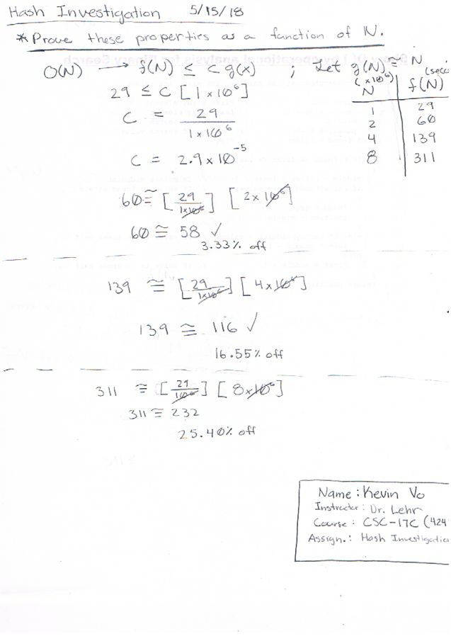
Name: Kevin Vo
Instructor: Dr. Lehr | Hash Collision Time
Course: CSC-17C (42475) | N | Time (sec)
Assignment: Hash Investigation | 1.00E+06 | 29
Purpose: Prove properties as a Funct. of N | 2.00E+06 | 60
 | 4.00E+06 | 139
PC Specs: | 8.00E+06 | 311
CPU: Intel i5 4670K 3.4 GHz
Ram: 8 GB DDR3 1600 MHz

